WagerType_BackLay
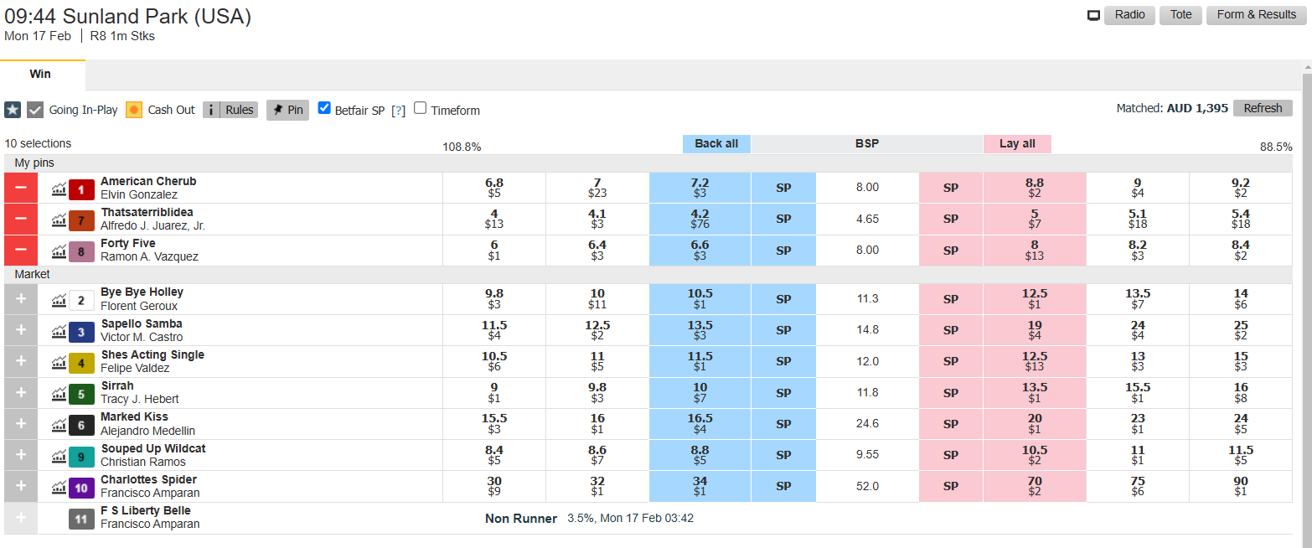

Match.Sport | Horse Racing
Match.Location | USA
Match.Competition | Sunland Park R8
Match.TimeStarting | Monday 17 Feb 25 09:44
Match.TimeToStart | 2 | minutes
Match.MatchedAmount | 1395 | AUD
Match.SportIsGUISelection | TRUE

GV_MatchedBetsDollars_Minimum | 500
GV_ScanStartMinutes_BackLay | 2

#---------------------------------------------------------------
# CHECK PRECONDITIONS
Condition_1 | TRUE | Included Sport - from pre-defined list. Not GUI adjustable
Condition_2 | TRUE | Match.SportIsGUISelection = TRUE
Condition_3 | TRUE | Match.TimeToStart <= GV_ScanStartMinutes_BackLay
Condition_4 | TRUE | Match.MatchedAmount >= GV_MatchedBetsDollars_Minimum

#---------------------------------------------------------------
# CHECK WAGER TYPE CONDITIONS

 | Back | BSP | Lay
Thatsaterribleidea | 4.2 | 4.65 | 5
Forty Five | 6.2 | 8 | 8
Amercian Cherub | 7.2 | 8 | 8.8

Concept
1. We look for a clear favourite. Otherwise ignore
2. We always start by backing the favourite but only if the Back Odds are greater than the BSP
3. The first BackBet stake is equal to the GV_BackLay_BaseStake. This must be greater than or equal to $1.00
4. If the Back odds INCREASE, we place another Back Bet. The stakes for subsequent Back Bets are calcaulted as GV_BackLay_BaseStake x (BetNumber-1) x GV_BackLay_StakeFactor
5. By following this process, we increase the weighted average Back Bet odds as well as the stake. We stop when (a) the total stake is equal to or greater than GV_BackLay_TotalStake or (b) we place a Lay Bet.
6. If at anytime, the Lay Odds drop below the weighted average BackBet odds, and the correponding arbitrage bet provides an ROI greater than GV_BackLay_MinROI, we place a lay bet, of an amount calcualted in accordance with the Back-Lay arbitrage formalua for stakes)
7. All betting on the event then stops.
8. Note that for horse and greyhound racing, we can bet live.

# check conbdition 5a: Odds Range
Match.OddsRange_Absolute_BackLay | 2
Match.OddsRange_Relative_BackLay | 47.62%

GV_BackLay_MinRelOddsRange | 0.40

